BACKGROUND
BACKGROUND
Use Category
Every country that has developed water quality standards/criteria has classified these criteria according to the type of water (e.g. freshwater, marine, ground water), and the kind of activity, or “use”, for each type of water. The “Use Category” names and activities vary somewhat between countries, but we have defined the following Use Categories that reasonably incorporates the varying uses as categorized by each county surveyed in developing the IRMA water quality criteria.
The IRMA “Use Categories” are:
Aquatic Organisms - Fresh Water Quality Criteria
Aquatic Organisms - Marine Water Quality Criteria
Drinking Water Quality Criteria
Agriculture & Irrigation Water Quality Criteria
Aquaculture Water Quality Criteria
Recreational Water Quality Criteria
Industrial Water Quality Criteria
In this Excel spreadsheet, each “Use Category” has its own worksheet, with a tab in the spreadsheet colored in BLUE. On each Use Category worksheet are columns listing the criteria from each regulatory jurisdiction (USEPA, AUS-NZ, etc.). There is also a column, in light green, listing the IRMA criteria selected for each contaminant/constituent listed. In the Notes column additional explanations are provided for the choice of the IRMA criteria, if the selection of the IRMA criteria was not obvious.
On the “IRMA Criteria” worksheet, with a GREEN tab, the IRMA-selected criteria from each Use Category are in the columns with a gray background. These are the IRMA-selected criteria from each Use Category.
In addition, there are three columns (with a light green background) titled “Protective of All IRMA Uses”. These columns display the most protective of the IRMA-selected values. These water quality criteria would be protective for all Use Categories for Fresh Waters (surface water and groundwater) and Marine Waters. Using these criteria eliminates the need to determine which Use Category(ies) has/have been assigned to a stream, lake, or marine water.
In the Protective of All IRMA Uses columns, the IRMA Fresh Water criteria include all freshwater uses except Freshwater Aquaculture, which is not a common use around mines. If Freshwater Aquaculture is a use downgradient of a mine discharge, then Aquaculture criteria apply.
The IRMA Ground Water criteria column includes Uses for Drinking Water & Human Health, and Agriculture/Irrigation.
Criteria Selection
The USEPA, Canada, and Australia-New Zealand have developed their own water quality criteria through testing and laboratory experimentation. Some European Union countries also develop their own criteria, although this information is difficult to locate and document for the EU as a whole, except for EU drinking water guidelines.
The water quality criteria from all other countries cited in these tables appear to be developed from researching the criteria developed by the US/Canada/Australia-New Zealand.
As a result, we have chosen to give more weight to criteria developed by the USEPA, and/or Canada, and/or Australia-New Zealand. Recent criteria from other countries were given strong consideration in recognition of the particular sensitivities these countries may have to uses or issues not experienced by the US/Canada/AUS-NZ. The Notes column on each individual Use worksheet will provide more explanation of the choices for selected individual criteria.
If a given body of water has more than one Use Category, which is typical, the lowest water criterion value among each of the applicable uses would determine the IRMA water quality criterion for that category.
Nitrate and Nitrite as "-Nitrogen"
Nitrate (NO₃) and Nitrite (NO₂) criteria are measured in different ways by different countries. For the IRMA criteria IRMA has standardized each to be measured as mg/L as Nitrogen (N). The following conversion factors were used to change from mg/L as the nitrogen compounds (NO₃ and NO₂) to mg/L as N (Australia-New Zealand, European Union, World Health Organization, Peru, South Africa):
To convert mg/L Nitrate (NO₃) to mg/L-N: multiply by 0.226
To convert mg/L Nitrite (NO₂) to mg/L-N: multiply by 0.305
Ammonia
Ammonia may be present in the free, un-ionized form (NH₃) or in the ionized form as the ammonium ion (NH₄⁺). Both are reduced forms of inorganic nitrogen. The toxicity of ammonia is directly related to the concentration of the un-ionized form (NH₃). The ammonium ion (NH₄⁺) has little or no toxicity to aquatic biota. It is thought that un-ionized ammonia is more toxic to aquatic organisms because it is a neutral molecule and is able to diffuse across biological membranes more readily than other forms.
IRMA has chosen to express the toxicity of ammonia as that measured by Unionized Ammonia (NH₃), the toxic form of ammonia. Making comparison of ammonia standards between different countries is more practicable with Unionized Ammonia because the toxicity of NH₃ is relatively consistent across a range of variables, including pH and temperature.
However, ammonia is typically measured as Total Ammonia as Nitrogen, that is, the sum of the NH₃ and NH₄⁺ concentrations, measured as nitrogen. To convert this measurement to Unionized Ammonia, the toxic form, several corrections are required.
First, if the ammonia measurement is not expressed “as Nitrogen”, a conversion factor must be applied to express the measurement “as Nitrogen”. To convert mg/L Ammonia to Ammonia as Nitrogen, the value should be multiplied by 0.882 to convert to unionized ammonia, usually expressed as mg/L-N.
To convert mg/L Ammonia (NH3) to mg/L-N: multiply by 0.822
Second, the amount of Unionized Nitrogen, the toxic form, in Total Ammonia does change significantly with pH and temperature, and the difference between Total Ammonia and Unionized Ammonia is usually sizeable. The amount of Ionized Ammonia (NH₄⁺) in Total Ammonia is often one to two orders of magnitude higher than the amount of Unionized Ammonia (NH₃), the toxic component, depending on the pH and temperature of the sampled water. The level of Total Ammonia in a water quality measurement may be many times higher that the IRMA ammonia criteria, but the conversion to Unionized Ammonia must be done before a comparison between measured Total Ammonia value and the IRMA criteria can be made.
To convert Total Ammonia to Unionized Ammonia, use the correction from the Table below, based on the pH and temperature recorded when the sample was taken.
As an example, if the water quality measurement yields a value of 1.9 mg/L as Total Ammonia:
The correction for “as Nitrogen” is:
1.9 mg/L x 0.882 = 1.562 mg/L-N
To convert Total Ammonia to Unionized Ammonia, for example at a pH of 7 and temperature of 20ºC:
1.562 mg/L-N x 0.00396 = 0.006 mg/L-N
This also happens to be the USEPA (2013) fresh water quality criteria for ammonia, expressed as Total Ammonia (1.9 mg/L) and as Unionized Ammonia (0.006 mg/L-N). As can be seen, the Total Ammonia value is many time larger than the Unionized value, but in terms of being a fresh water criteria for ammonia, they are the same.
Phosphate as Phosphorus
The purpose of effluent standards for phosphorus is to reduce phosphorus loads to natural waters and prevent eutrophication. The USEPA (July 2021) has an ecoregional recommended standard of 0.022 mg/L (https://www.epa.gov/system/files/documents/2021-07/parameter-factsheet_nutrients.pdf). The AUS-NZ (2000) criteria are dated, but in the range of other phosphorus criteria. Since the USEPA recommendation is also in this range, the criteria from Peru (2015) and the Philippines (2021) have been utilized for IRMA.
For the IRMA criteria we have converted criteria measured as PO₄ from other countries to phosphorus (measured as P). We used the following conversion factor to convert from mg/L as phosphate to mg/L as P (Philippines, Australia & New Zealand). Note that in some cases the phosphate criteria as expressed as μg/L, so those were first converted to mg/L.
Converting mg/L Phosphate (PO₄) to mg/L-P: multiply by 0.326

USEPA Ammonia
Aquatic Life Ambient Water Quality Criteria for Ammonia – Freshwater, US EPA 822-R-13-001, April 2013
 | Values in the table below are measured as mg TAN/L (Total Ammonia Nitrogen - TAN), and are converted to Measured as Nirtogen (MAN) by the formula MAN = 0.822 x TAN
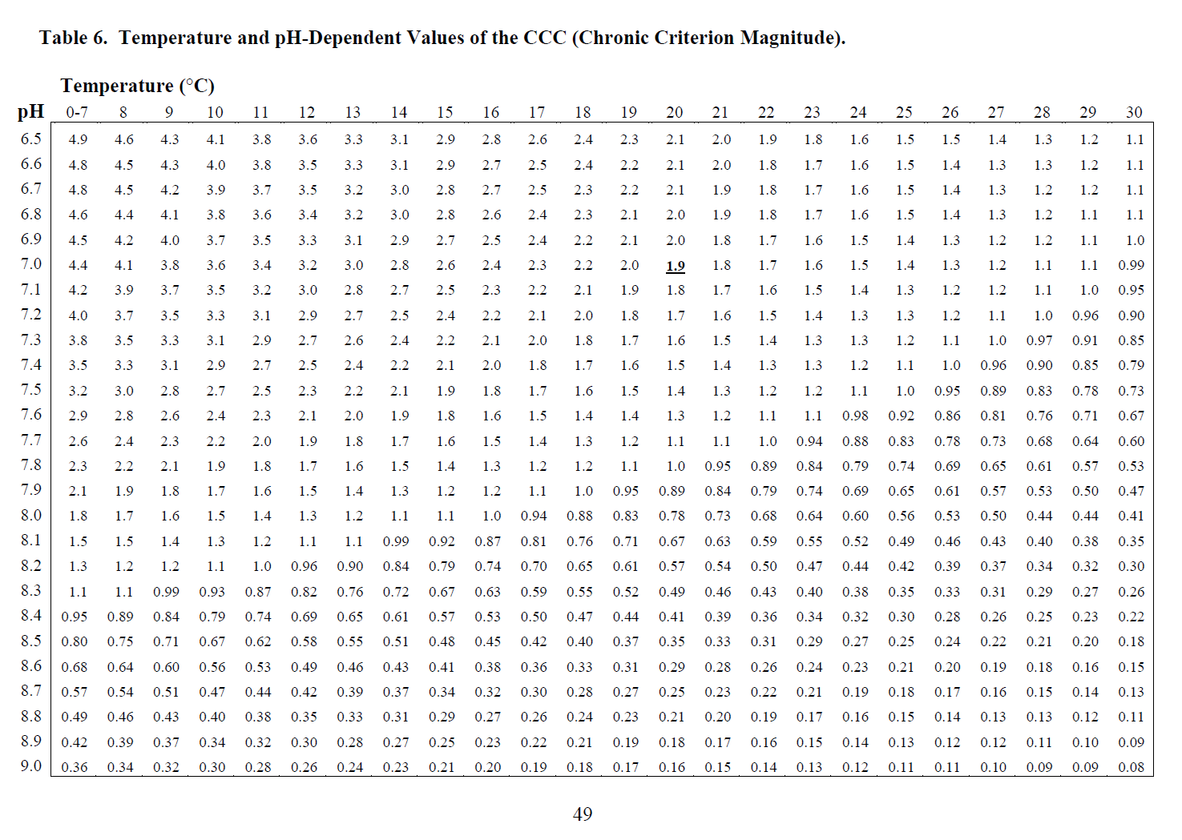

 |  | Percent un-ionized aqueous ammonia (https://ccme.ca/en/res/ammonia-en-canadian-water-quality-guidelines-for-the-protection-of-aquatic-life.pdf)

 |  | Temp (oC) | pH
 |  |  | 6.0 | 6.5 | 7.0 | 7.5 | 8.0 | 8.5 | 9.0 | 9.5 | 10
 |  | 0 | 0.008 | 0.026 | 0.082 | 0.261 | 0.820 | 2.55 | 7.64 | 20.7 | 45.3
 |  | 5 | 0.012 | 0.039 | 0.125 | 0.394 | 1.23 | 3.80 | 11.1 | 28.3 | 55.6
 |  | 10 | 0.018 | 0.058 | 0.186 | 0.586 | 1.83 | 5.56 | 15.7 | 37.1 | 65.1
 |  | 15 | 0.027 | 0.086 | 0.273 | 0.859 | 2.67 | 7.97 | 21.5 | 46.4 | 73.3
 |  | 20 | 0.039 | 0.125 | 0.396 | 1.24 | 3.82 | 11.2 | 28.4 | 55.7 | 79.9
 |  | 25 | 0.056 | 0.180 | 0.566 | 1.77 | 5.38 | 15.3 | 36.3 | 64.3 | 85.1
 |  | 30 | 0.080 | 0.254 | 0.799 | 2.48 | 7.46 | 20.3 | 44.6 | 71.8 | 89.0

Ambient Water Quality Criteria for Ammonia (Saltwater) - EPA Office of Water 1989
 | This document does not contain data of sufficient quality to determine an appropriate criteria for salmonids

